Program 2023
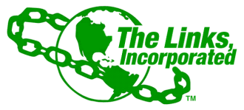
FINANCIAL SECRETARY MONTHLY REPORT
TACOMA (WA) CHAPTER OF THE LINKS, INCORPORATED
September 2023 Program Report (June 2023 deposits)
Link Barbara J Lane

Date on Check | Member Name/Entity | Check# | Date FS Received | Date FS Mobile Deposited | Notes

NO PROGRAM DEPOSITS IN June 2023

