Program 2023
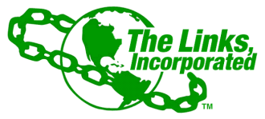
FINANCIAL SECRETARY MONTHLY REPORT
TACOMA (WA) CHAPTER OF THE LINKS, INCORPORATED
November 2023 Program Report (October 2023 deposits)
Link Barbara J Lane

Date on Check | Member Name/Entity | Check# | Amount (Bank Statement) | Date FS Received | Date FS Mobile/Deposited | Notes
2023-10-28 | Constance Laister | 4320 | $200.00 | 2023-10-28 | 2023-10-28 | WA HBCU
2023-10-28 | Joan Ray | 16494 | $61.00 | 2023-10-28 | 2023-10-28 | WA HBCU
2023-10-28 | Mary Green | 20052 | $19.46 | 2023-10-28 | 2023-10-28 | 19.46 Giving Campaign
2023-10-28 | Mary Green | 20051 | $61.00 | 2023-10-28 | 2023-10-28 | HBCU Campaign
2023-10-28 | Pamela Davis Thompson | 5078 | $20.00 | 2023-10-28 | 2023-10-28 | 19.46 Giving Campaign
2023-10-28 | Pamela Davis Thompson | 5077 | $61.00 | 2023-10-28 | 2023-10-28 | WA HBCU
2023-10-28 | Stephanie Croon Williams | 6005 | $61.00 | 2023-10-28 | 2023-10-28 | WA HBCU
2023-10-28 | Stephanie Croon Williams | 6006 | $19.46 | 2023-10-28 | 2023-10-28 | 19.46 Giving Campaign

Total |  |  | $502.92

